Dokument_SEG_DV
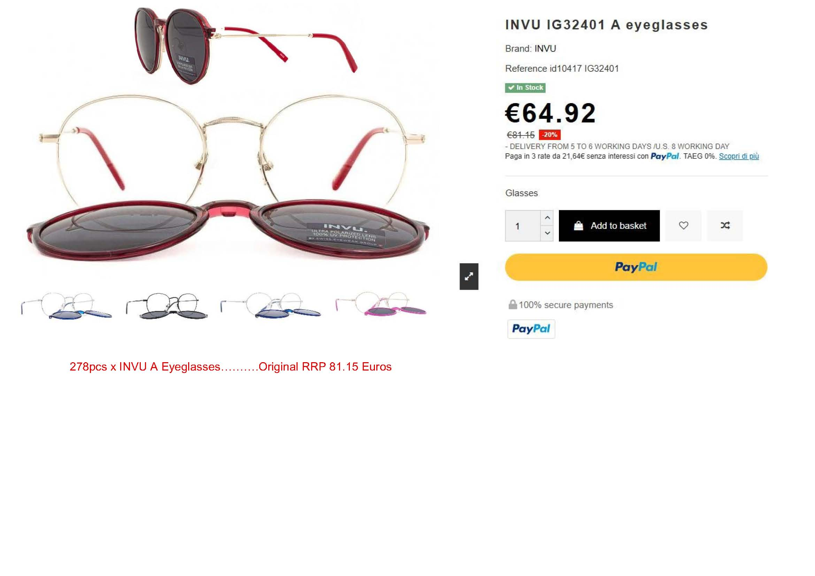
Picture | Item-No. | Description | Quantity
 | IM32401A | Gold/Milky Red | 278
 | IM32401C | Silver/Dark Blue | 245
 | IM32401D | Matt Black/Black | 30
 | IM32504A | Silver/Dark Blue | 75
 | IM32504B | Gold/Milky Fuchsia | 86
 | IM42414A | Black/Milky Lilac | 24
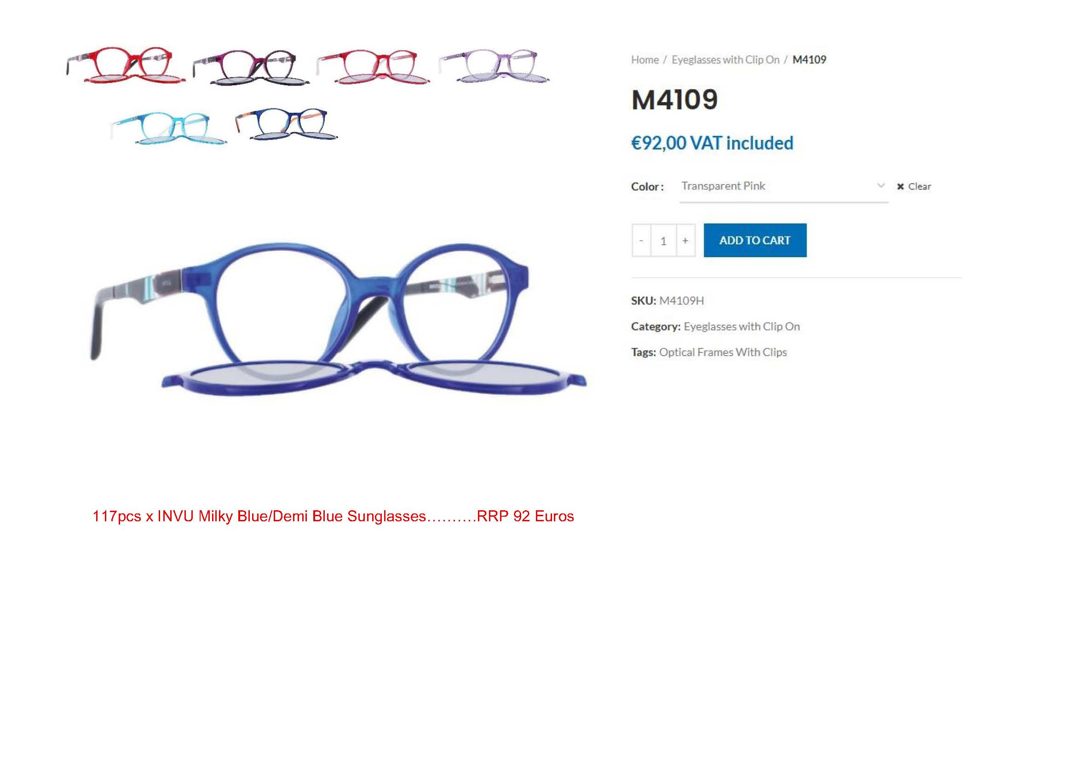
 | IM42414B | Transp. Blue/Orange | 33
 | IM42414C | Milky Pink/Blue | 58
 | IM42415A | Matt Black/Matt Blue | 16
 | IM42415B | Frosty Blue/Matt Orange | 144
 | IM42415C | Black/Purple | 85
 | IM42416D | Transp. Acqua | 208
 | IM42417C | Milky Pink | 207
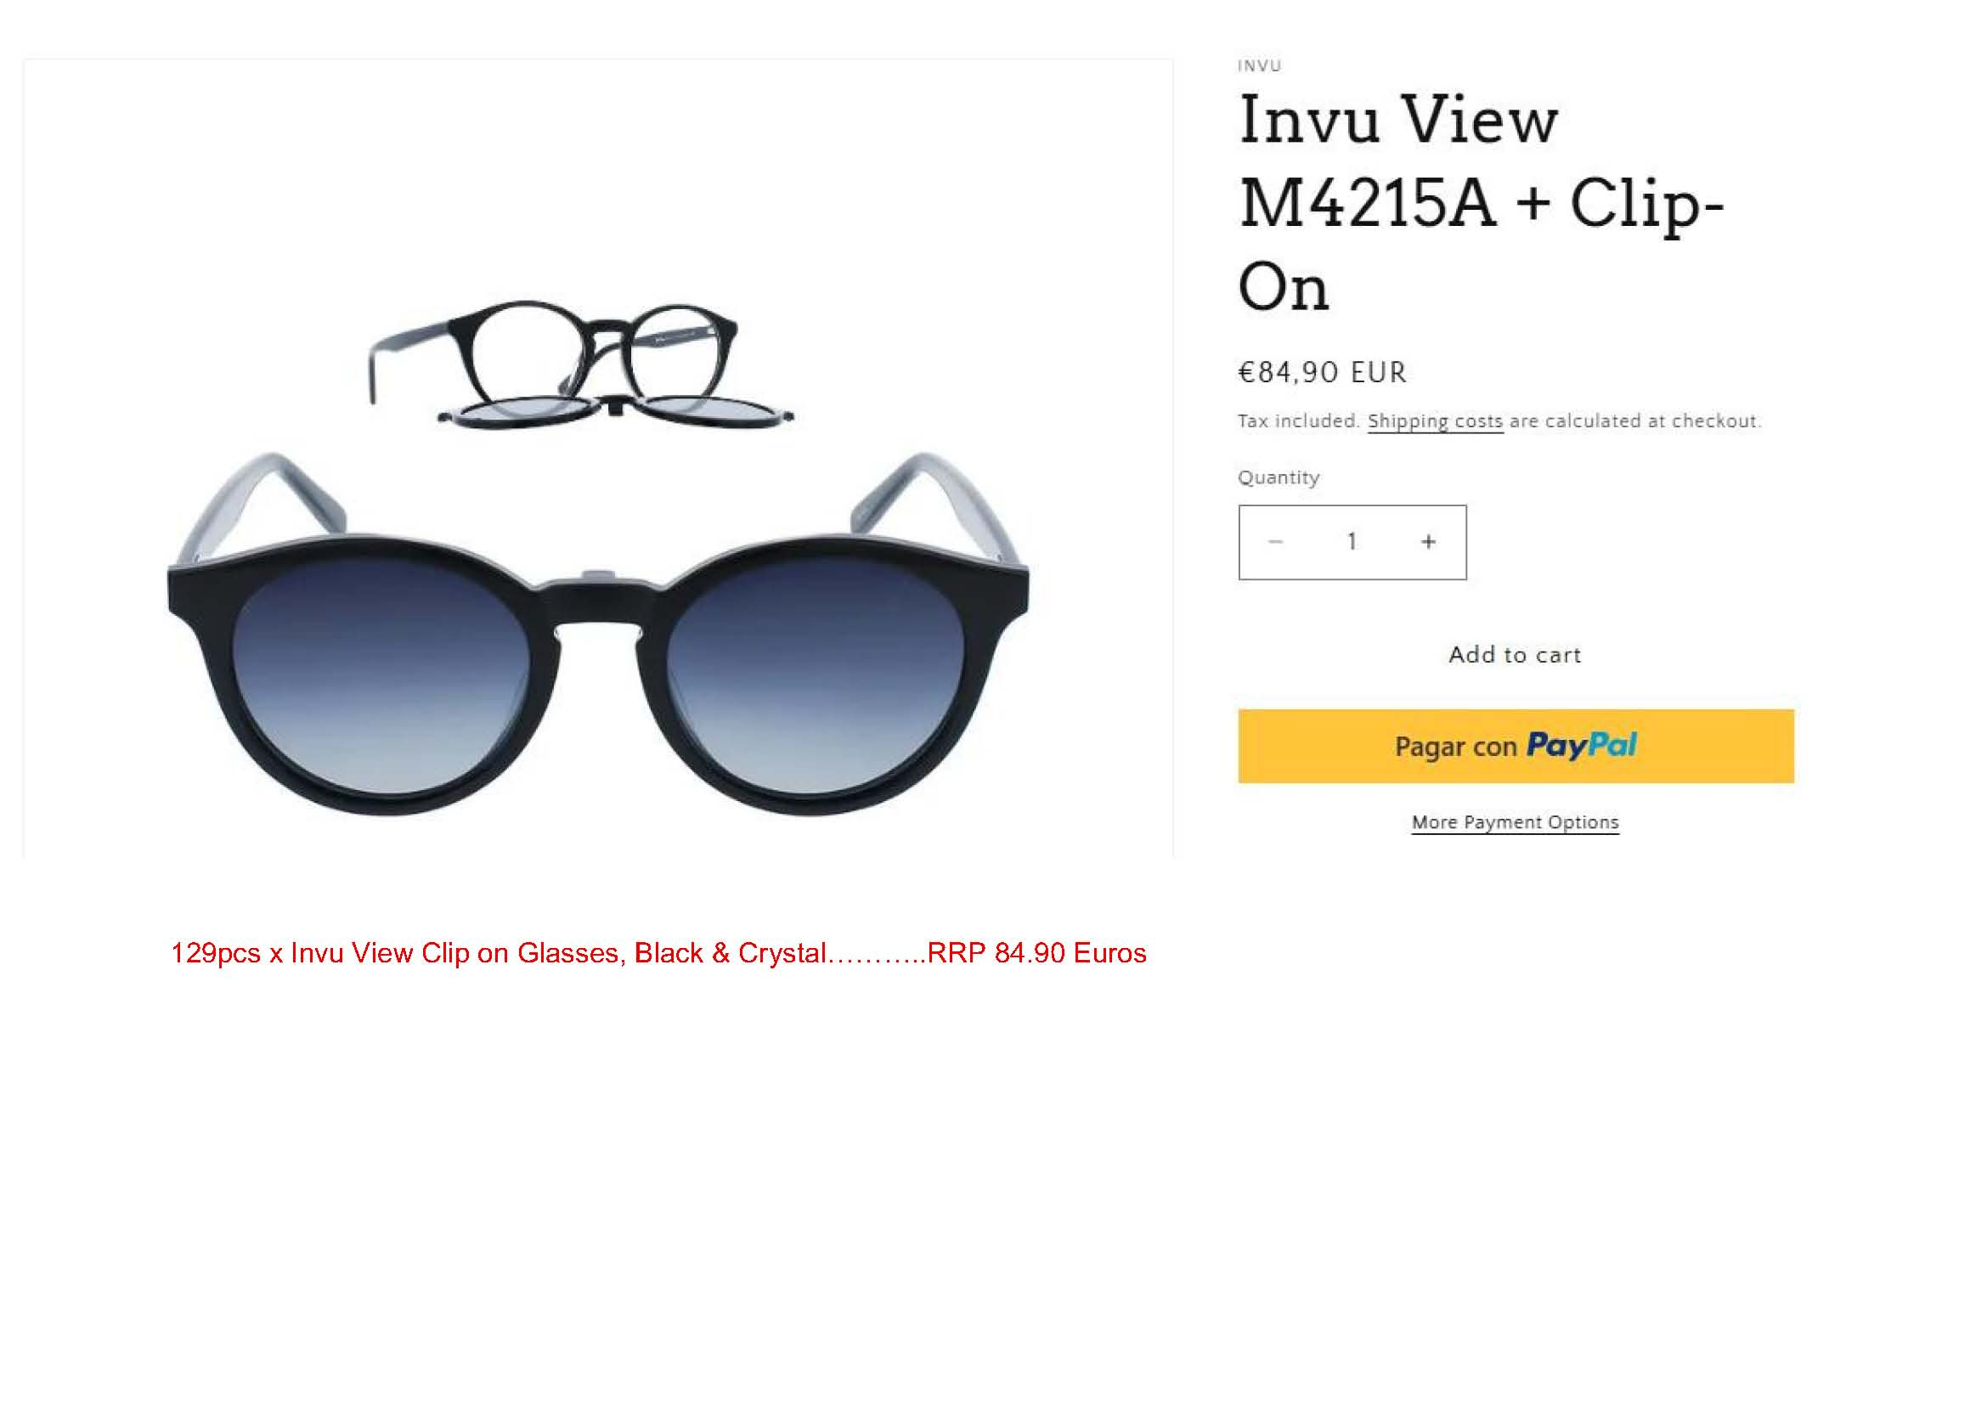
 | IM42502B | Milky Lilac | 175
 | M4107A | Transp. Red/Rubb. Pink | 74
 | M4107C | Transp. Red/Rubb. Rose | 25
 | M4107D | Transp. Pink/Rubb. White | 154
 | M4109D | Milky Red/Red Demi | 97
 | M4109E | Milky Blue/Blue Demi | 117
 | M4109F | Transp. Purple/Purple Demi | 352
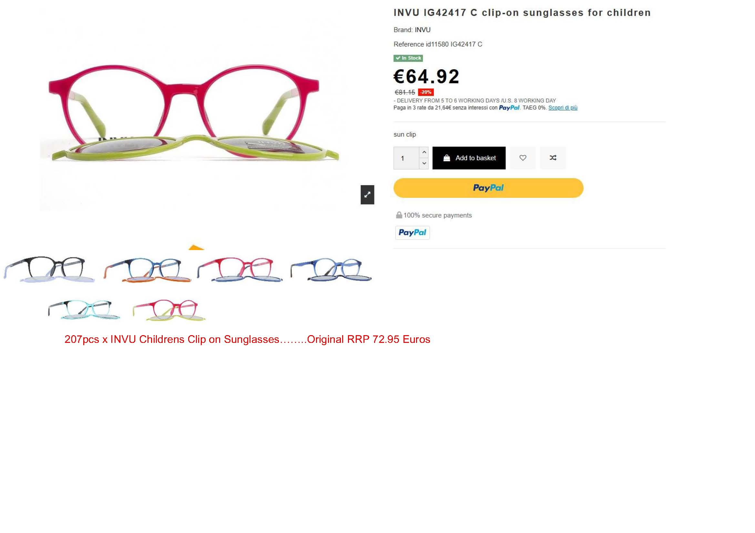
 | M4208C | Transp. Red/Fuchsia Rubb. | 89
 | M4209E | Transp. Fuchsia/Frosty Purple | 162
 | M4209F | Transp. Lilac/Frosty Lilac | 150
 | M4209G | Transp. Turquoise | 220
 | M4306C | Petrol on Transp. Blue | 9
 | M4309B | Transp. Blue | 21
 | IM42505A | AC Black On Crystal | 124
 | IM42505B | AC Demi On Crystal | 85
 | IM42506A | AC Black | 173
 | IM42506B | AC Transp. Brown/Gold | 202
 | IM42506C | AC Transp. Red/Silver | 255
 | IM42512A | AC Black On Crystal | 51
 | IM42512B | AC Rose Demi On Crystal | 50
 | IM42518A | AC Black On Crystal | 207
 | IM42518B | AC Transp. Petrol | 287
 | IM42518C | AC Transp. Lavender | 210
 | M4001G | Frosty Red, incl. Yellow Clip H4001W | 208
 | M4215A | Black | 129
 | M4215C | Transp. Teal | 189
 | M4259B | Transp. Red/Black, D&N Concept | 138
 | M4313A | Black | 99
 | M4313B | Transp. Fuchsia/Fuchsia | 74
 | M7200B | Matt Coffee/Blue, D&N Concept | 288
 | M7201B | Matt Blue, D&N Concept | 9
 |  |  | 5,912

